QA Environment
OPL Calculation No: 00025/OCN/01/02/2015

QA Environment - Before CR. Input New Data based on Excel sample | QA Environment - After CR, and Re-calculated

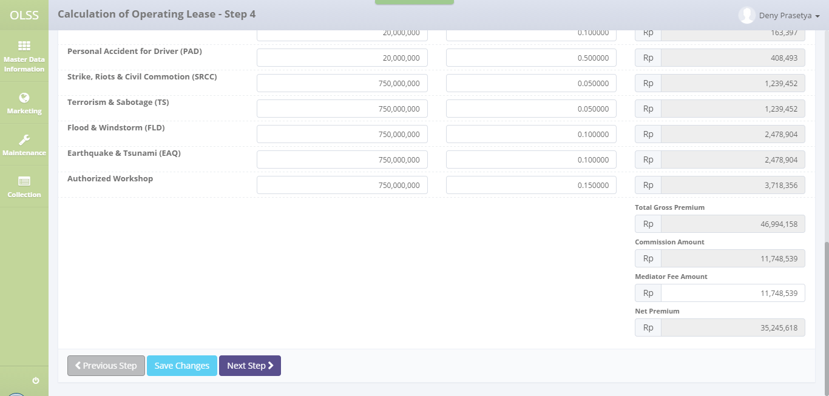
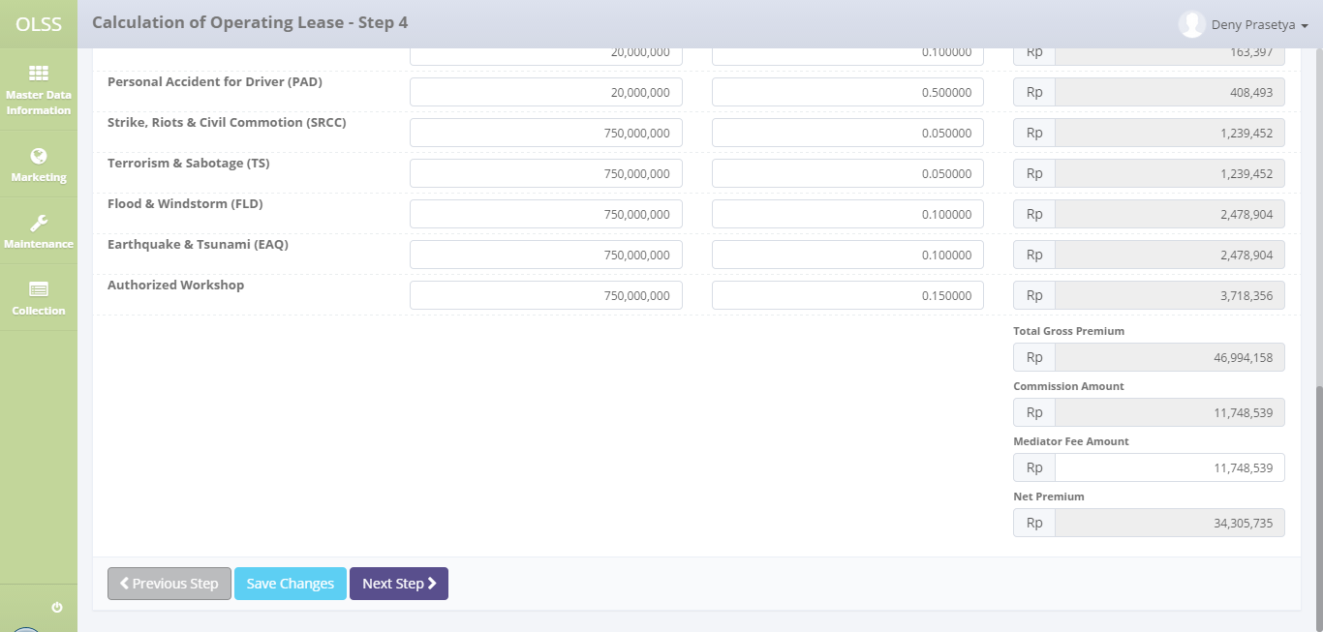

Incorrect value
Correct value

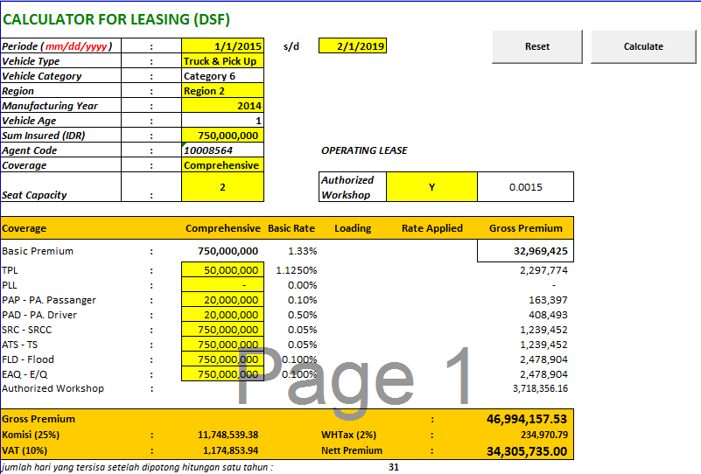

Expected value

Prod Environment
OPL Calculation No: 00005/OCN/01/02/2015

Prod Environment - Before CR. Input New Data based on Excel sample | Prod Environment - After CR, and Re-calculated

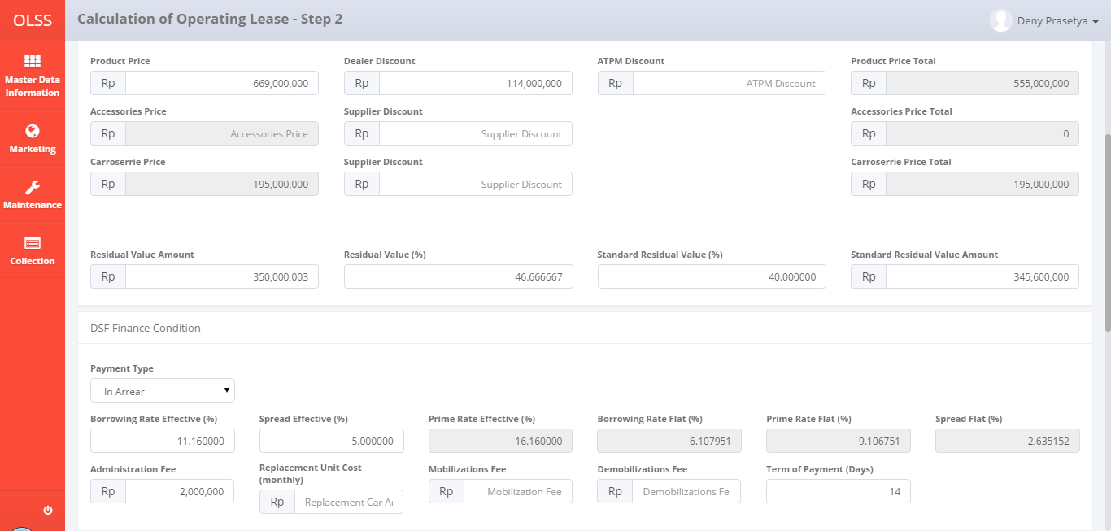

Incorrect value
Correct value

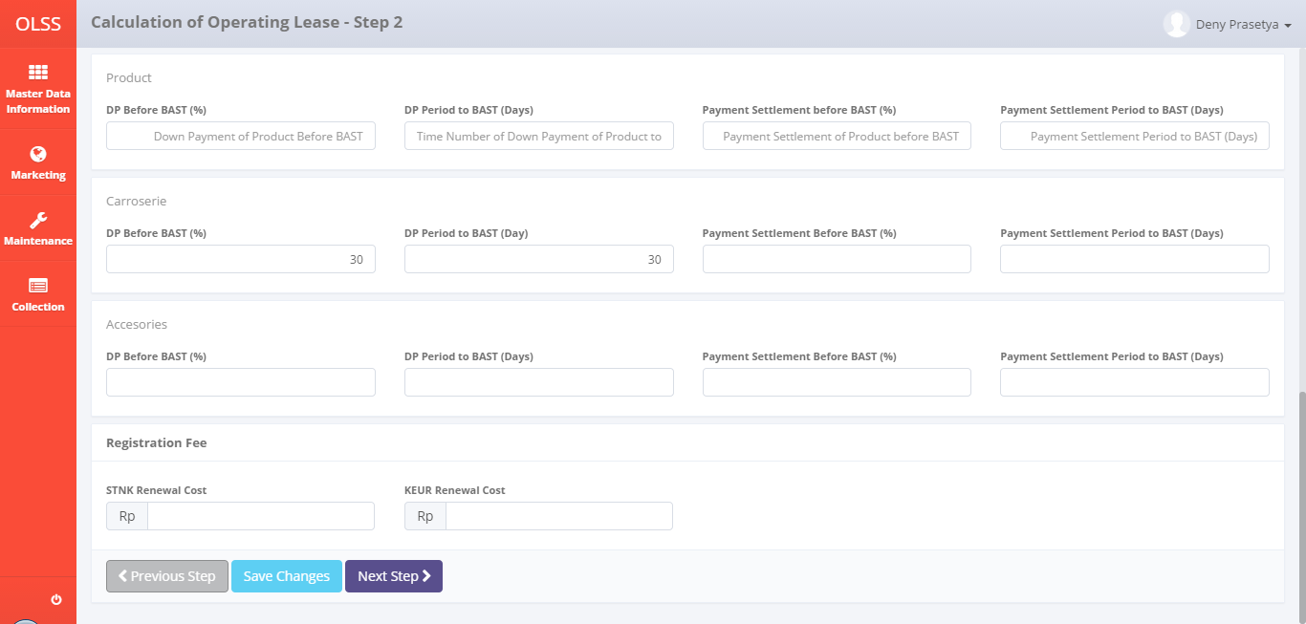
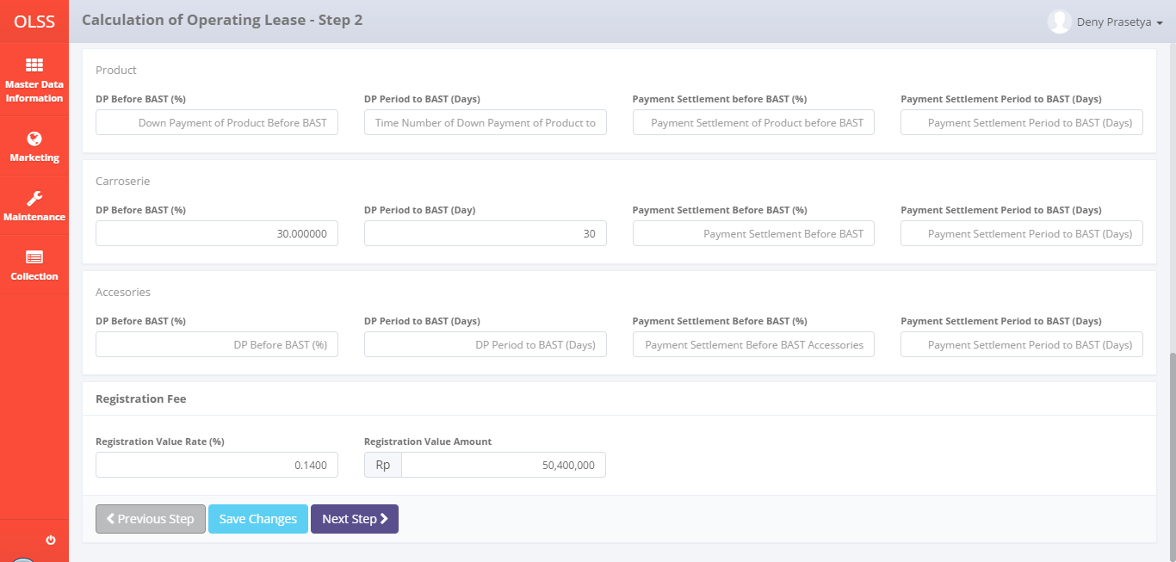

Old layout, will replaced with Registration Value Amount & Registration Value Rate

Replaced with Registration Value Amount & Registration Value Rate

Rate Insurance Income and Interest Income will disabled
Rate Insurance Income and Interest Income is disabled
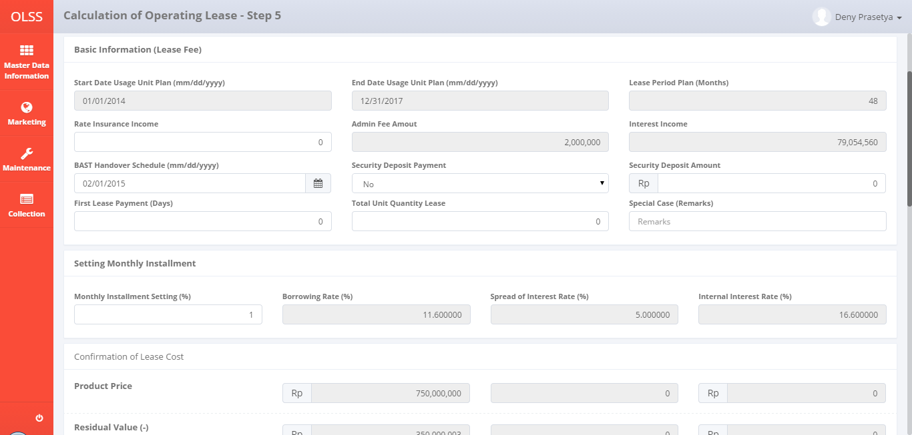
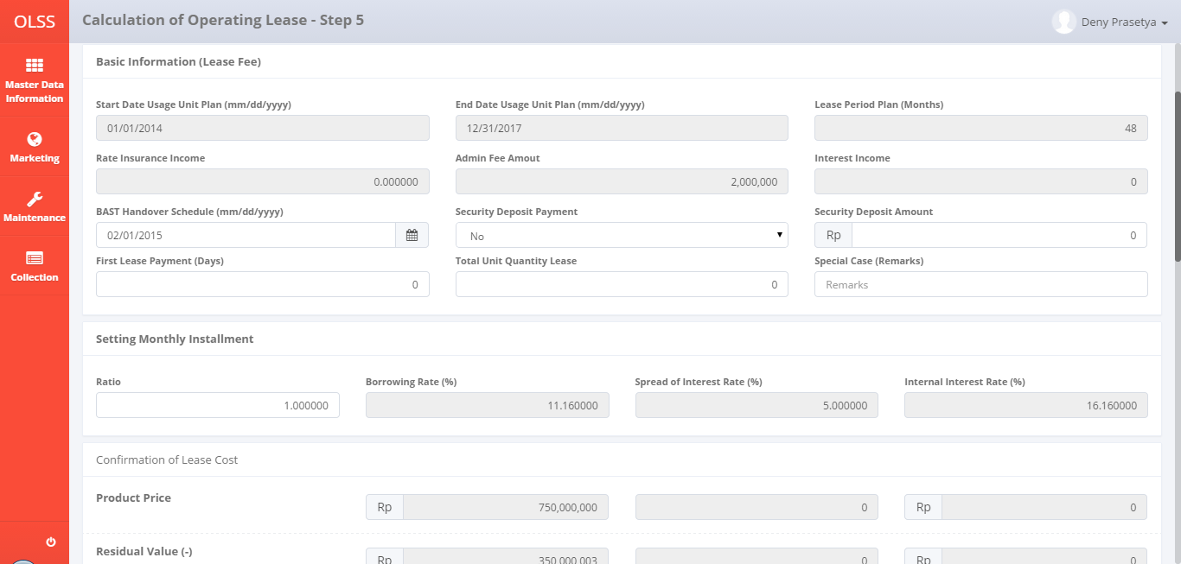

Monthly Installment Setting will replaced with Ratio
Monthly Installment Setting replaced with Ratio

Will replaced with Registration Value Amount

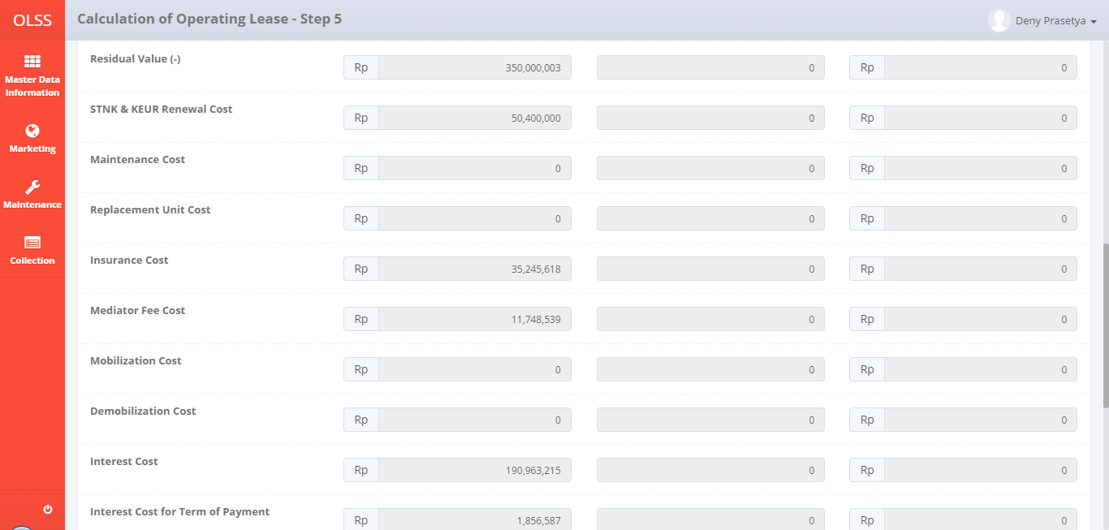
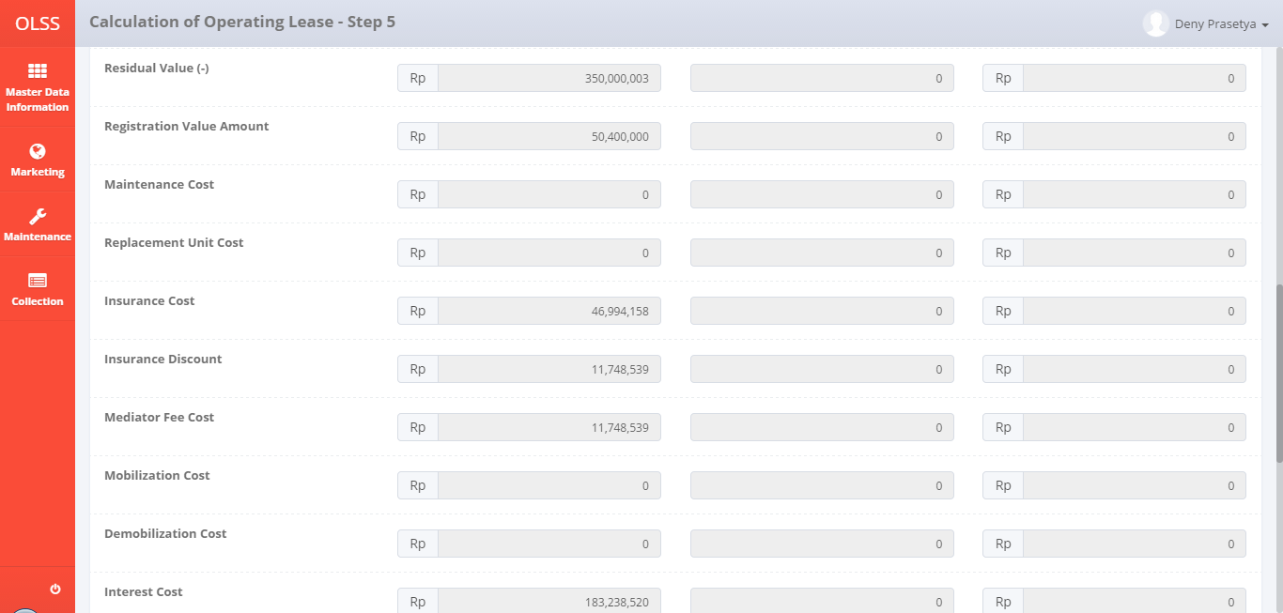

Correct formula

Incorrect formula

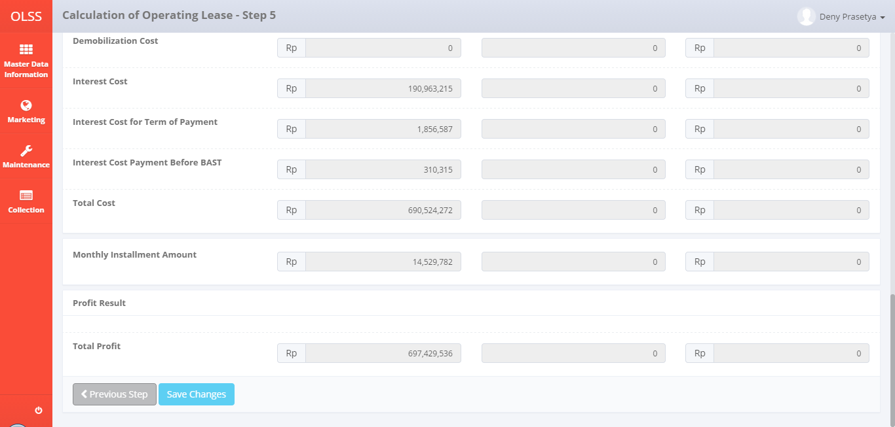
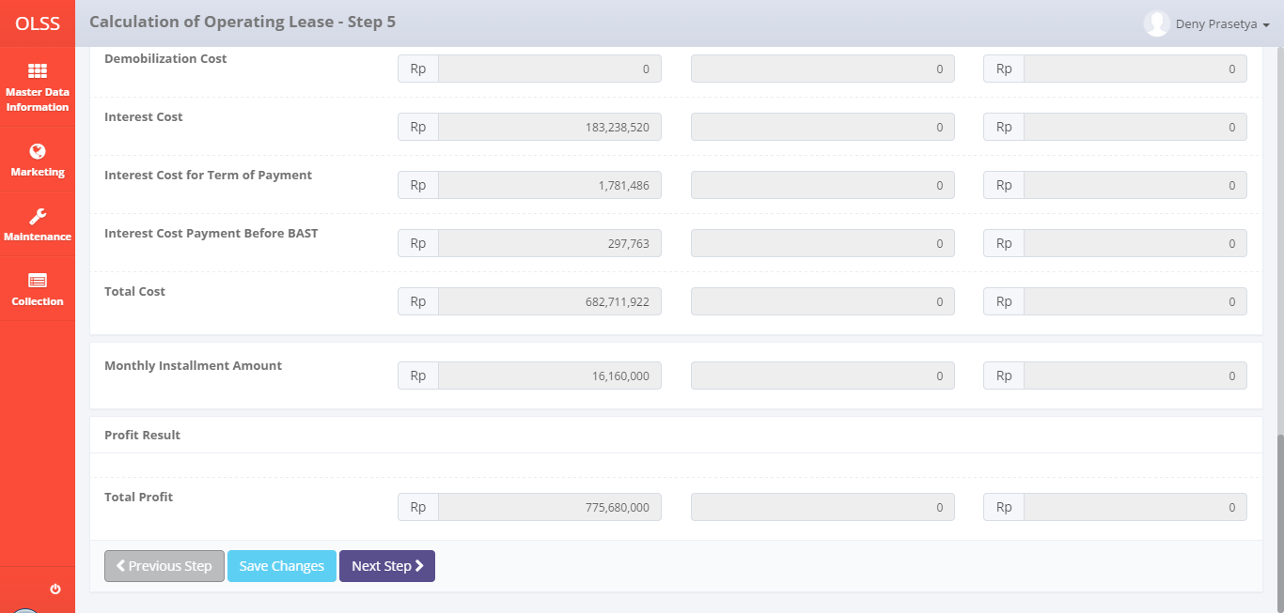

Incorrect formula
Correct formula

